Q.4
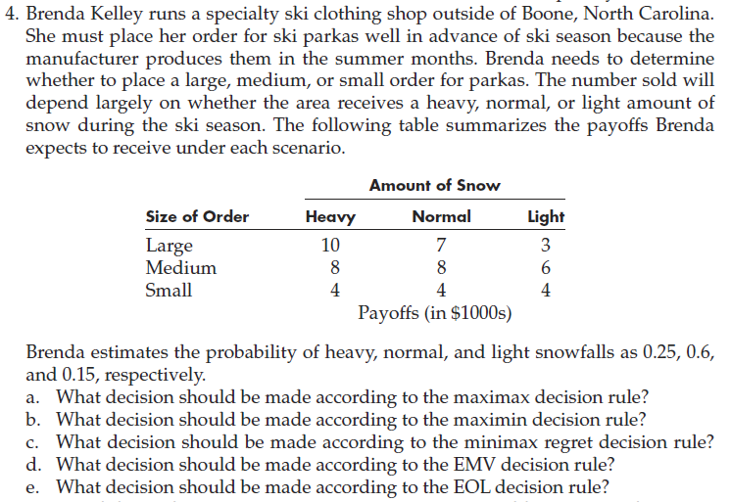
Payoff Matrix
 |  | Amount of Snow
 | Size of Order | Heavy | Normal | Light
 | Large | 10 | 7 | 3
 | Medium | 8 | 8 | 6
 | Small | 4 | 4 | 4

(a) | Maximax Decision Rule
 |  | Amount of Snow
 | Size of Order | Heavy | Normal | Light | MAX | Select Max
 | Large | 10 | 7 | 3 | 10 | This one
 | Medium | 8 | 8 | 6 | 8
 | Small | 4 | 4 | 4 | 4

 |  | Heavy | Normal | Light
 | Probability | 0.25 | 0.6 | 0.15

 | Hence, large order for parkas should be placed according to the maximax decision rule.

(b) | Maximin Decision Rule
 |  | Amount of Snow
 | Size of Order | Heavy | Normal | Light | MIN | Select max
 | Large | 10 | 7 | 3 | 3
 | Medium | 8 | 8 | 6 | 6 | This one
 | Small | 4 | 4 | 4 | 4

 | Hence, medium order for parkas should be placed according to the maximin decision rule.

(c) | Minimax Regret Decision Rule
 |  | Amount of Snow
 | Size of Order | Heavy | Normal | Light | MAX | Select min
 | Large | 0 | 1 | 3 | 3
 | Medium | 2 | 0 | 0 | 2 | This one
 | Small | 6 | 4 | 2 | 6

 | Hence, medium order for parkas should be placed according to the minimax regret decision rule.

(d) | EMV Decision Rule
 |  | Amount of Snow
 | Size of Order | Heavy | Normal | Light | EMV | Select max.
 | Large | 10 | 7 | 3 | 7.15
 | Medium | 8 | 8 | 6 | 7.7 | This one
 | Small | 4 | 4 | 4 | 4

 | Probabilities | 0.25 | 0.6 | 0.15

 | Hence, medium order for parkas should be placed according to the EMV Decision Rule

(e) | EOL Decision Rule
 |  | Amount of Snow
 | Size of Order | Heavy | Normal | Light | EOL | Select min
 | Large | 0 | 1 | 3 | 1.0500
 | Medium | 2 | 0 | 0 | 0.5000 | This one
 | Small | 6 | 4 | 2 | 4.2000

 | Hence, medium order for parkas should be placed according to the EOL Decision Rule.

Q.5
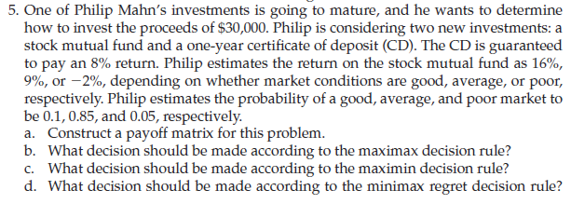

 | Amount to invest | 30000
 |  | State of nature
 | Decision Alternatives | Good | average | poor
 | sock mutual fund | 16% | 9% | -2%
 | CD | 8% | 8% | 8%

 | Probability | 0.1 | 0.85 | 0.05

a. | Payoff matrix

 |  | State of nature
 | Decision Alternatives | Good | average | poor
 | sock mutual fund | 34800 | 32700 | 29400
 | CD | 32400 | 32400 | 32400

b. | Maximax decision rule
 |  | State of nature
 | Decision Alternatives | Good | average | poor | Max | Select Max
 | sock mutual fund | 34800 | 32700 | 29400 | 34800 | This one
 | CD | 32400 | 32400 | 32400 | 32400

c. | Maximin decision rule
 |  | State of nature
 | Decision Alternatives | Good | average | poor | Min | Select Max
 | sock mutual fund | 34800 | 32700 | 29400 | 29400
 | CD | 32400 | 32400 | 32400 | 32400 | This one

d. | Minimax decision rule
 |  | State of nature
 | Decision Alternatives | Good | average | poor | Max | Select Min
 | sock mutual fund | 0 | 0 | 3000 | 3000
 | CD | 2400 | 300 | 0 | 2400 | This one

e. | EMV decision rule
 |  | State of nature
 | Decision Alternatives | Good | average | poor | EMV | Select Max
 | sock mutual fund | 34800 | 32700 | 29400 | 32745 | This one
 | CD | 32400 | 32400 | 32400 | 32400

f. | EOL decision rule
 |  | State of nature
 | Decision Alternatives | Good | average | poor | EOL | Select Min
 | sock mutual fund | 0 | 0 | 3000 | 150 | This one
 | CD | 2400 | 300 | 0 | 495

g. | EVPI
 |  | State of nature
 | Decision Alternatives | Good | average | poor | EMV
 | sock mutual fund | 34800 | 32700 | 29400 | 32745
 | CD | 32400 | 32400 | 32400 | 32400

 | Payoff of Decision Made with Perfect Information | 34800 | 32700 | 32400 | 32895

 |  |  | EVPI | 150

Q.7
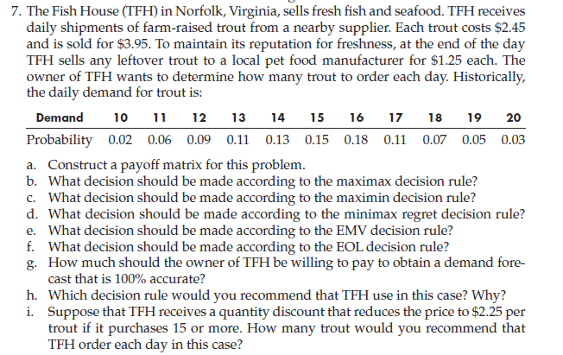
 |  |  |  |  |  |  |  |  |  |  | Buy | 2.45
 |  |  |  |  |  |  |  |  |  |  | sell | 3.95
 |  |  |  |  |  |  |  |  |  |  | sell left over | 1.25
 |  |  |  |  |  |  |  |  |  |  |  | history
 |  |  |  |  |  |  |  |  |  |  | Demand | 10 | 11 | 12 | 13 | 14 | 15 | 16 | 17 | 18 | 19 | 20
 |  |  |  |  |  |  |  |  |  |  | 10 | 15.0 | 15.0 | 15.0 | 15.0 | 15.0 | 15.0 | 15.0 | 15.0 | 15.0 | 15.0 | 15.0
 |  |  |  |  |  |  |  |  |  |  | 11 | 13.8 | 16.5 | 16.5 | 16.5 | 16.5 | 16.5 | 16.5 | 16.5 | 16.5 | 16.5 | 16.5
 |  |  |  |  |  |  |  |  |  |  | 12 | 12.6 | 15.3 | 18.0 | 18.0 | 18.0 | 18.0 | 18.0 | 18.0 | 18.0 | 18.0 | 18.0
 |  |  |  |  |  |  |  |  |  |  | 13 | 11.4 | 14.1 | 16.8 | 19.5 | 19.5 | 19.5 | 19.5 | 19.5 | 19.5 | 19.5 | 19.5
 |  |  |  |  |  |  |  |  |  |  | 14 | 10.2 | 12.9 | 15.6 | 18.3 | 21.0 | 21.0 | 21.0 | 21.0 | 21.0 | 21.0 | 21.0
 |  |  |  |  |  |  |  |  |  |  | 15 | 9.0 | 11.7 | 14.4 | 17.1 | 19.8 | 22.5 | 22.5 | 22.5 | 22.5 | 22.5 | 22.5
 |  |  |  |  |  |  |  |  |  |  | 16 | 7.8 | 10.5 | 13.2 | 15.9 | 18.6 | 21.3 | 24.0 | 24.0 | 24.0 | 24.0 | 24.0
 |  |  |  |  |  |  |  |  |  |  | 17 | 6.6 | 9.3 | 12.0 | 14.7 | 17.4 | 20.1 | 22.8 | 25.5 | 25.5 | 25.5 | 25.5
 |  |  |  |  |  |  |  |  |  |  | 18 | 5.4 | 8.1 | 10.8 | 13.5 | 16.2 | 18.9 | 21.6 | 24.3 | 27.0 | 27.0 | 27.0
 |  |  |  |  |  |  |  |  |  |  | 19 | 4.2 | 6.9 | 9.6 | 12.3 | 15.0 | 17.7 | 20.4 | 23.1 | 25.8 | 28.5 | 28.5
 |  |  |  |  |  |  |  |  |  |  | 20 | 3.0 | 5.7 | 8.4 | 11.1 | 13.8 | 16.5 | 19.2 | 21.9 | 24.6 | 27.3 | 30.0

 |  |  |  |  |  |  |  |  |  |  |  |  |  | 16.5
 |  |  |  |  |  |  |  |  |  |  |  |  | 15.3
 |  |  |  |  |  |  |  |  |  |  |  |  |  | 16.80

 | CP of Trout | $2.45
 | SP of Trout | $3.95
 | Leftover Cost | $1.25

 | Demand | 10 | 11 | 12 | 13 | 14 | 15 | 16 | 17 | 18 | 19 | 20
 | Probability | 0.02 | 0.06 | 0.09 | 0.11 | 0.13 | 0.15 | 0.18 | 0.11 | 0.07 | 0.05 | 0.03

(a) | Payoff Matrix
 |  | Historic Demand
 | Decision Demand | 10 | 11 | 12 | 13 | 14 | 15 | 16 | 17 | 18 | 19 | 20
 | 10 | $15.00 | $15.00 | $15.00 | $15.00 | $15.00 | $15.00 | $15.00 | $15.00 | $15.00 | $15.00 | $15.00

(i) |  | Demand
 | Order | 10 | 11 | 12 | 13 | 14 | 15 | 16 | 17 | 18 | 19 | 20 | EMV
 | 10 | $15.00 | $15.00 | $15.00 | $15.00 | $15.00 | $15.00 | $15.00 | $15.00 | $15.00 | $15.00 | $15.00 | $15.00
 | 11 | $13.80 | $16.50 | $16.50 | $16.50 | $16.50 | $16.50 | $16.50 | $16.50 | $16.50 | $16.50 | $16.50 | $16.45
 | 12 | $12.60 | $15.30 | $18.00 | $18.00 | $18.00 | $18.00 | $18.00 | $18.00 | $18.00 | $18.00 | $18.00 | $17.73
 | 13 | $11.40 | $14.10 | $16.80 | $19.50 | $19.50 | $19.50 | $19.50 | $19.50 | $19.50 | $19.50 | $19.50 | $18.77
 | 14 | $10.20 | $12.90 | $15.60 | $18.30 | $21.00 | $21.00 | $21.00 | $21.00 | $21.00 | $21.00 | $21.00 | $19.51
 | 15 | $12.00 | $14.70 | $17.40 | $20.10 | $22.80 | $25.50 | $25.50 | $25.50 | $25.50 | $25.50 | $25.50 | $22.91
 | 16 | $11.00 | $13.70 | $16.40 | $19.10 | $21.80 | $24.50 | $27.20 | $27.20 | $27.20 | $27.20 | $27.20 | $23.10 | (Select This)
 | 17 | $10.00 | $12.70 | $15.40 | $18.10 | $20.80 | $23.50 | $26.20 | $28.90 | $28.90 | $28.90 | $28.90 | $22.80
 | 18 | $9.00 | $11.70 | $14.40 | $17.10 | $19.80 | $22.50 | $25.20 | $27.90 | $30.60 | $30.60 | $30.60 | $22.20
 | 19 | $8.00 | $10.70 | $13.40 | $16.10 | $18.80 | $21.50 | $24.20 | $26.90 | $29.60 | $32.30 | $32.30 | $21.42
 | 20 | $7.00 | $9.70 | $12.40 | $15.10 | $17.80 | $20.50 | $23.20 | $25.90 | $28.60 | $31.30 | $34.00 | $20.50

 | Probability | 0.02 | 0.06 | 0.09 | 0.11 | 0.13 | 0.15 | 0.18 | 0.11 | 0.07 | 0.05 | 0.03

 | TFH has to order 16 trouts each day according to the EMV decision rule if they receive a quantity discount that reduces the price to $2.25 per trout when it purchases 15 or more.

Q.8
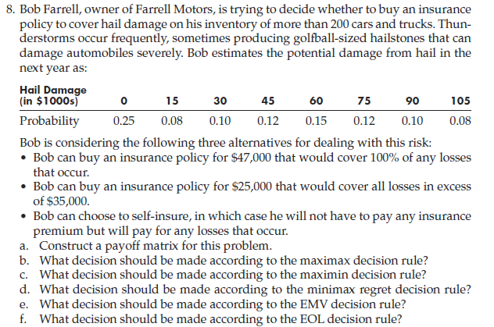

 | Hail Damange (In $1000s) | 0 | 15 | 30 | 45 | 60 | 75 | 90 | 105
 | Probability | 0.25 | 0.08 | 0.1 | 0.12 | 0.15 | 0.12 | 0.1 | 0.08

 | Insuarance Policy 1 (In $1000s) | 47
 | Insuarance Policy 2 (In $1000s) | 25
 | Self Insuarance (In $1000s) | 0

(a) | Payoff Matrix
 |  | Hail Damage (In $1000s)
 | Decisions | 0 | 15 | 30 | 45 | 60 | 75 | 90 | 105 |  | loss | 45 | 60 | 75 | 90 | 105
 | Insuarance Policy 1 | -47 | -47 | -47 | -47 | -47 | -47 | -47 | -47 |  |  | 25 | 25 | 25 | 25 | 25
 | Insuarance Policy 2 | -25 | -40 | -55 | -60 | -60 | -60 | -60 | -60 |  |  | 20 | 35 | 50 | 65 | 80
 | Self Insuarance | 0 | -15 | -30 | -45 | -60 | -75 | -90 | -105
 | Note: Negative Sign is taken because the values are cost. Lowest cost is the highest payoff.

(b) | Maximax Decision Rule
 |  | Hail Damage (In $1000s)
 | Decisions | 0 | 15 | 30 | 45 | 60 | 75 | 90 | 105 | MAX
 | Insuarance Policy 1 | -47 | -47 | -47 | -47 | -47 | -47 | -47 | -47 | -47
 | Insuarance Policy 2 | -25 | -40 | -55 | -60 | -60 | -60 | -60 | -60 | -25
 | Self Insuarance | 0 | -15 | -30 | -45 | -60 | -75 | -90 | -105 | 0 | (Select This)

 | Bob should self-insure according to Maximax Decision Rule.

(c) | Maximin Decision Rule
 |  | Hail Damage (In $1000s)
 | Decisions | 0 | 15 | 30 | 45 | 60 | 75 | 90 | 105 | MIN
 | Insuarance Policy 1 | -47 | -47 | -47 | -47 | -47 | -47 | -47 | -47 | -47 | (Select This)
 | Insuarance Policy 2 | -25 | -40 | -55 | -60 | -60 | -60 | -60 | -60 | -60
 | Self Insuarance | 0 | -15 | -30 | -45 | -60 | -75 | -90 | -105 | -105

 | Bob should take insuarance policy for $47,000 according to Maximin Decision Rule.

(d) | Minimax Regret Decision Rule
 |  | Hail Damage (In $1000s)
 | Decisions | 0 | 15 | 30 | 45 | 60 | 75 | 90 | 105 | MAX
 | Insuarance Policy 1 | 47 | 32 | 17 | 2 | 0 | 0 | 0 | 0 | 47
 | Insuarance Policy 2 | 25 | 25 | 25 | 15 | 13 | 13 | 13 | 13 | 25 | (Select This)
 | Self Insuarance | 0 | 0 | 0 | 0 | 13 | 28 | 43 | 58 | 58

 | Bob should take insuarance policy for $25,000 according to Minimax Regret Decision Rule.

(e) | EMV Decision Rule
 |  | Hail Damage (In $1000s)
 | Decisions | 0 | 15 | 30 | 45 | 60 | 75 | 90 | 105 | EMV
 | Insuarance Policy 1 | -47 | -47 | -47 | -47 | -47 | -47 | -47 | -47 | -47
 | Insuarance Policy 2 | -25 | -40 | -55 | -60 | -60 | -60 | -60 | -60 | -49.15
 | Self Insuarance | 0 | -15 | -30 | -45 | -60 | -75 | -90 | -105 | -45 | (Select This)

 | Probability | 0.25 | 0.08 | 0.1 | 0.12 | 0.15 | 0.12 | 0.1 | 0.08

 | Bob should self-insure according to EMV Decision Rule.

(f) | EOL Decision Rule
 |  | Hail Damage (In $1000s)
 | Decisions | 0 | 15 | 30 | 45 | 60 | 75 | 90 | 105 | EOL
 | Insuarance Policy 1 | 47 | 32 | 17 | 2 | 0 | 0 | 0 | 0 | 16.25
 | Insuarance Policy 2 | 25 | 25 | 25 | 15 | 13 | 13 | 13 | 13 | 18.4
 | Self Insuarance | 0 | 0 | 0 | 0 | 13 | 28 | 43 | 58 | 14.25 | (Select This)

 | Probability | 0.25 | 0.08 | 0.1 | 0.12 | 0.15 | 0.12 | 0.1 | 0.08

 | Bob should self-insure according to EOL Decision Rule.

Q.10
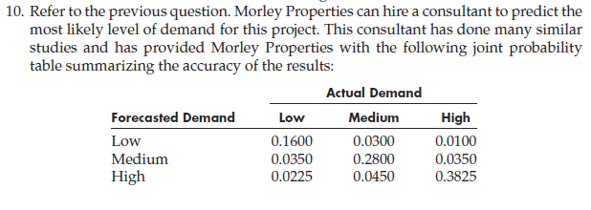

 |  | Market Demand
 | Size of Development | Low | Medium | High
 | Small | 400 | 400 | 400
 | Medium | 200 | 500 | 500
 | Large | -400 | 300 | 800

 | Probability | 0.2175 | 0.3550 | 0.4275

Joint Probability Table
 |  | Actual Demand
 | Forecasted Demand | Low | Medium | High | Total
 | Low | 0.16 | 0.03 | 0.01 | 0.2
 | Medium | 0.035 | 0.28 | 0.035 | 0.35
 | High | 0.0225 | 0.045 | 0.3825 | 0.45
 | Total | 0.2175 | 0.355 | 0.4275

(a) | Conditional Probability Given Forecasted Demand
 |  | Actual Demand
 | Forecasted Demand | Low | Medium | High
 | Low | 0.8 | 0.15 | 0.05
 | Medium | 0.1 | 0.8 | 0.1
 | High | 0.05 | 0.1 | 0.85

(b) |  | Market Demand
 | Size of Development | Low | Medium | High | EMV
 | Small | 400 | 400 | 400 | 400
 | Medium | 200 | 500 | 500 | 434.75 | (Select This)
 | Large | -400 | 300 | 800 | 361.5

 | Probability | 0.2175 | 0.3550 | 0.4275

 | The EMV of the optimal decision without the consultant's assistance is $434,750.

(c) | Do not have TreePlan Software

(d) | For Low Forecast Demand
 |  | Market Demand
 | Size of Development | Low | Medium | High | EMV
 | Small | 400 | 400 | 400 | 400 | (Select This)
 | Medium | 200 | 500 | 500 | 260
as | Large | -400 | 300 | 800 | -235

 | Conditional Probability | 0.8 | 0.15 | 0.05

 | For Medium Forecast Demand
 |  | Market Demand
 | Size of Development | Low | Medium | High | EMV
 | Small | 400 | 400 | 400 | 400
 | Medium | 200 | 500 | 500 | 470 | (Select This)
 | Large | -400 | 300 | 800 | 280

 | Conditional Probability | 0.1 | 0.8 | 0.1

 | For High Forecast Demand
 |  | Market Demand
 | Size of Development | Low | Medium | High | EMV
 | Small | 400 | 400 | 400 | 400
 | Medium | 200 | 500 | 500 | 485
 | Large | -400 | 300 | 800 | 690 | (Select This)

 | Conditional Probability | 0.05 | 0.1 | 0.85

 | Total From Joint Probability Table
 | For | Probability | EMV
 | Low Forecast Demand | 0.2 | 400
 | Medium Forecast Demand | 0.35 | 470
 | High Forecast Demand | 0.45 | 690
 |  | Total | 555

 | The EMV of the optimal decision with the consultant's free assistance is $555,000.

 | This is not the appropriate method. We need to use decision tree.

(e) | EVPI | 120.25
 | The maximum price that Morley Properties should be willing to pay to the consultant is $120,250.

